Sheet1

This spreadsheet allows to define the optional external resistor values for specific configurations of the AEM10941, AEM20940, AEM30940 and AEM40940 as defined in the datasheet of each components.
AEM datasheets and user guides for the evaluation boards can be found on e-peas website https://e-peas.com/types/energy-harvesting/
For additional support, contact support@e-peas.com

Fill BLANK CELLS

Custom mode from VOLTAGE level protection value | CUSTOM MODE CONFIGURATION (AVAILABLE FOR: AEM10941 - AEM30940)
 | STEP 1 | Vovdis [V] | 2.2 | Define the overdischarge level for the battery min : 2.2
 |  | Vchrdy [V] | 3 | Define the enable level fo the LDOs min : Vovdis+0.05
 |  | Vovch [V] | 5 | Define the overcharge level for the battery min : Vchrdy+0.05
 |  | Vhv [V] | 2 | Define the output voltage of the HVOUT max: Vovdis-0.3

 | STEP 2 | RT [MΩ] | 100.00 | Choose a value between 1MΩ and 100MΩ - RT =R1+R2+R3+R4
 |  | RV [MΩ] | 30.00 | Choose a value between 1MΩ and 40MΩ - RV = R5+R6

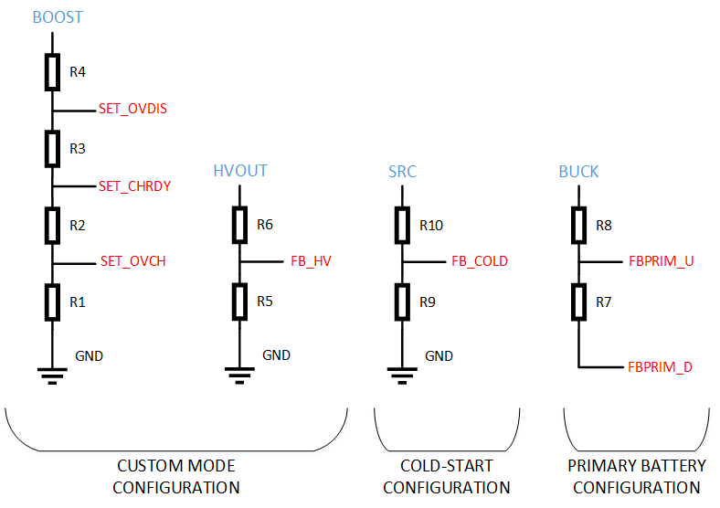
 | Results | R1 [MΩ] | 20.00
 |  | R2 [MΩ] | 13.33
 |  | R3 [MΩ] | 12.12
 |  | R4 [MΩ] | 54.55
 |  | R5 [MΩ] | 15.00
 |  | R6 [MΩ] | 15.00

Custom mode from RESISTORS values | STEP 1 | R1 | 22
 |  | R2 | 4.4
 |  | R3 | 1.5
 |  | R4 | 33
 |  | R5 | 4.7
 |  | R6 | 6.8

 | Results | overcharge | 2.77
 |  | chgrdy | 2.31
 |  | ovdis | 2.18
 |  | HVOUT | 2.45

FBPRIM_U FBPRIM_D | PRIMARY BATTERY CONFIGURATION (AVAILABLE FOR: AEM10941 - AEM20940 - AEM30940 - AEM40940)
 | STEP 1 | VPRIM min [V] | 0.55 | Define the minimal voltage level on the primary battery min: 0.6 max: 5

 | STEP 2 | RP [MΩ] | 5.3 | Choose a value between 100kΩ and 500kΩ

 | Results | R7 [MΩ] | 0.33 | Fill the blank cells to get the R7 - R8 values
 |  | R8 [MΩ] | 4.97

FBCOLD | COLD-START CONFIGURATION (AVAILABLE FOR: AEM10941)
 | STEP 1 | Vcs [V] | 2 | Define the cold-start voltage required min: 0.5 max: 4

 | STEP 2 | RC [MΩ] | 1 | Choose a value between 100kΩ and 10MΩ

 | Results | R9 [MΩ] | 0.19 | Fill the blank cells to get the R9 - R10 values
 |  | R10 [MΩ] | 0.81

